Sheet1
Action Game Feb 2019
Your Name:
Ultimate Goal: |  | WEEK 1 |  | WEEK 2 |  | WEEK 3 |  | WEEK 4
Funnel Activities | Point Value | Activity | Score | Activity | Score | Activity | Score | Activity | Score | Score
1.Social Media Post to create curiosity suggested (1x week), other post (1 per day) | 1 | 0 | 0 | 0 | 0 | 0 | 0 | 0 | 0 | 0
2. Live video on FB on your personal profile, or customer group (1 per week) | 3 | 0 | 0 | 0 | 0 | 0 | 0 | 0 | 0 | 0
3. Have a conversation that leads to sharing your story + a next step or invitation | 3 | 0 | 0 | 0 | 0 | 0 | 0 | 0 | 0 | 0
4. Host or Attend Event (Live or Virtual; Product or Business) | 3 | 0 | 0 | 0 | 0 | 0 | 0 | 0 | 0 | 0
5. Guests Attending Live Event: Prod. or Business | 3 | 0 | 0 | 0 | 0 | 0 | 0 | 0 | 0 | 0
5. Guests Attending Virtual Event: Prod. or Business | 2 | 0 | 0 | 0 | 0 | 0 | 0 | 0 | 0 | 0
6. Follow Up activity to move a prospect to customer, or customer to distributor | 3 | 0 | 0 | 0 | 0 | 0 | 0 | 0 | 0 | 0
7. 3 way call or zoom to move prospect to customer, or customer to distributor | 3 | 0 | 0 | 0 | 0 | 0 | 0 | 0 | 0 | 0
8. New Preferred Customer (Box Count; Tower Garden X 2 Pt.) | 5 | 0 | 0 | 0 | 0 | 0 | 0 | 0 | 0 | 0
9. New Rep with an order | 5 | 0 | 0 | 0 | 0 | 0 | 0 | 0 | 0 | 0
10. Take team member through Quick Start & schedule a launch zoom | 5 | 0 | 0 | 0 | 0 | 0 | 0 | 0 | 0 | 0
11. Personally Complete HLP or 2000+ or Assist Frontline to do theirs | 10 | 0 | 0 | 0 | 0 | 0 | 0 | 0 | 0 | 0
12. 1st Time Performance Bonus* or Promote Out Bonus* | 10 | 0 | 0 | 0 | 0 | 0 | 0 | 0 | 0 | 0
13. 1st Time Club level: 1, 3; 6, 12; 24; 39; 50; 75; 100 * | 10 | 0 | 0 | 0 | 0 | 0 | 0 | 0 | 0 | 0
14. Complete Requirements for SC; SSC; QNMD; NMD* | 10 | 0 | 0 | 0 | 0 | 0 | 0 | 0 | 0 | 0
15. Register for Juice Plus+ Live Sacramento* | 25 | 0 | 0 | 0 | 0 | 0 | 0 | 0 | 0 | 0
16. Weekly Special | 10 | 0 | 0 | 0 | 0 | 0 | 0 | 0 | 0 | 0
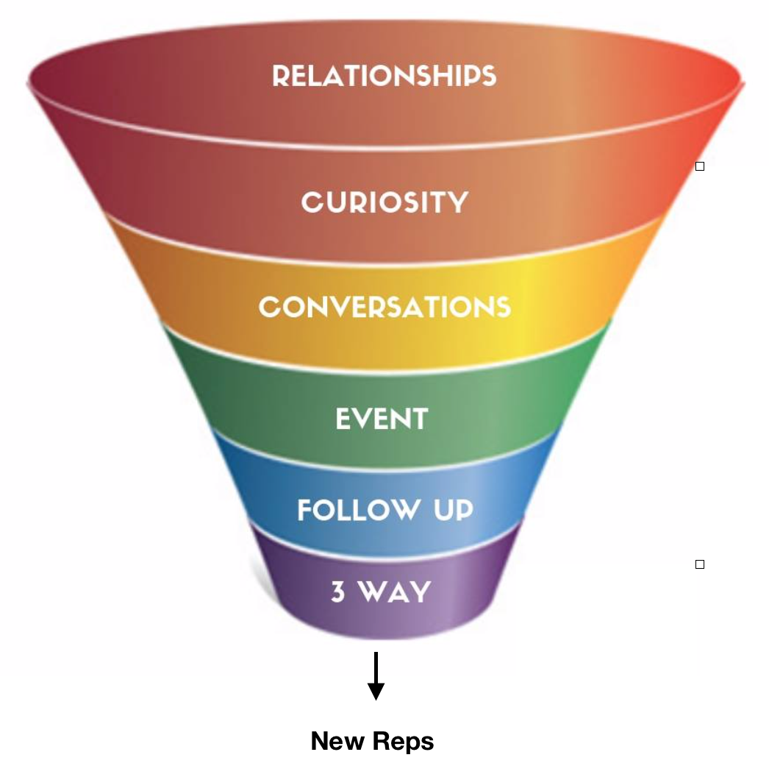
 | Weekly Subtotal Score |  | 0 |  | 0 |  | 0 |  | 0
 | CUMULATIVE WEEKLY SCORE |  | 0 |  | 0 |  | 0 |  | 0
 | TOTAL ACTION GAME SCORE |  |  |  |  |  |  |  |  | 0
* Can count for one time during the game

